Contents
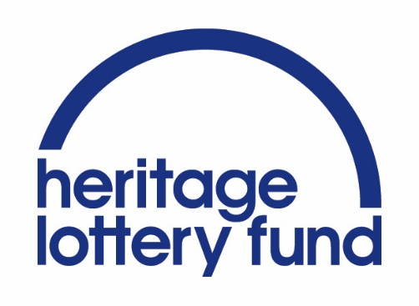
Heritage Index 2016 - Northern Ireland | Use the yellow box to select a local government district | Produced by The RSA in collaboration with Heritage Lottery Fund
Data Explorer
 |  | Browse online interactive maps, read our analysis and get the technical report, explaining our methodology in more detail:
View results as league table rankings | League table results
 |  | www.thersa.org/heritage
View all indicators and sources for your local area | Local Data - Indicators+sources
 |  | 

